Sheet1
 |  | Document No. | Issue No. | Issue Date |  | Review and Replace Date |  | Authorised By
 |  | GFF312MC | 2 | 28.09.2021 |  | 16.11.2021
 |  | Document Title | BUTTER BEAN AND MUSHROOM BAKE 400g
 |  | Film changed to K Peel 3G 25µm |  |  | Page |  | 1 of 1 | Magda Shah
Document amendments reason for change |  |  |  |  | Previous Issue Date |  | 28.09.2021 | Uncontrolled copy unless signed original

FVCHST1-R8TMC | MINDFUL CHEF |  | BUTTER BEAN AND MUSHROOM BAKE 400g | FROZEN
STEP 1 |  |  |  |  | STEP 2
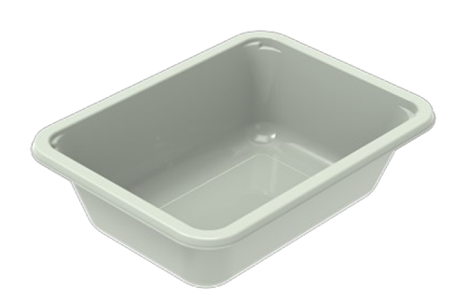 |  |  |  |  | 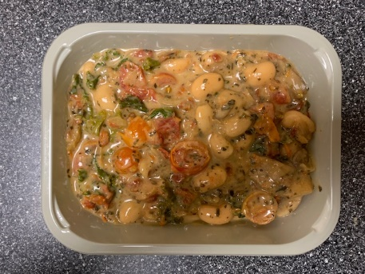

PACK DAY + 1 YEAR
NON-MAP PACK

Tray: EVOLVE CPET 2171-1F FROST (PKRHP001-14) |  |  |  |  | Bean Bake Mix (MC) (GFF385R): 380g
Film: K Peel 3G 25µm (275mmX1000lm)-PKKMP001-04
STEP 3 |  |  |  |  | STEP 4
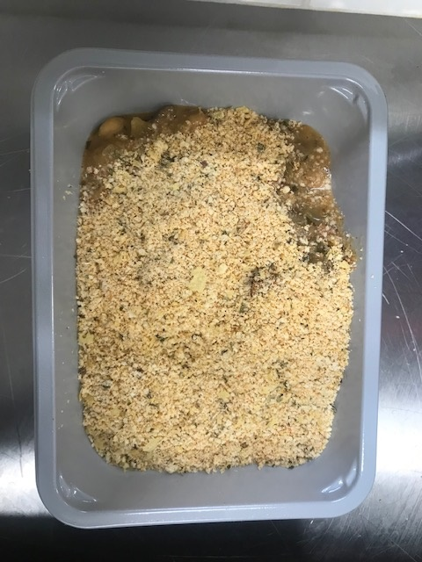 |  |  |  |  | 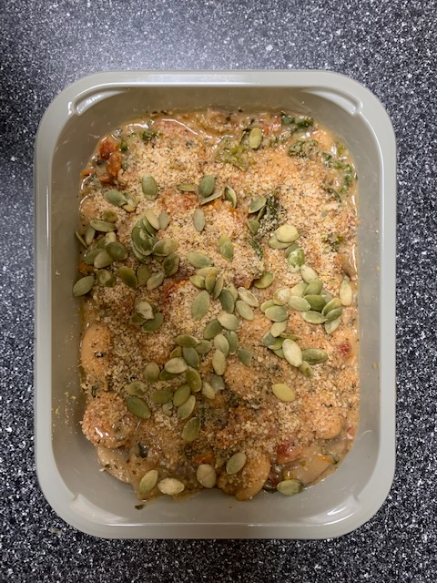

Crumb Mix (MC) (GFF386R-S): 15g |  |  |  |  | Pumpkin Seeds (RMBAK001-03) : 5g |  |  |  | TOTAL WEIGHT: 400g

ALLERGY ALERT: Nuts

